FPP material (804293)
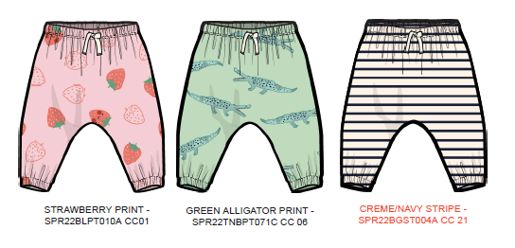
S# 804293 (MS#581357) FPP MATERIAL SENDING LIST
** NEED TO PROCEED FPP MEETING USING BULK MATERIAL **
FABRIC | PINK STRAWBERRY -SPR22BLPT010A CC 01 → 9/30 EX GREEN ALLIGATOR - SPR22TNBPT071C CC 06 → 9/30 EX CREME NAVY STRIPE - SPR22BGST004A CC 21 → 10/18 EX
MAIN LABEL | PLEASE USE STOCK
CARE LABEL | IN FACTORY
ID LABEL | PLEASE USE STOCK
THREAD | PLEASE USE STOCK
INTERLINING-TRICOT | IN FACTORY
BAND-COMEZ ELASTIC 5/8" | IN FACTORY
BAND-COMEZ ELASTIC 7/8" | IN FACTORY
TAPE-TWILL | IN FACTORY

QA Cover
SP22 OLD NAVY NB- QA PACKAGE SENDING STATUS

Season | SP22
Style | S# 804293 (MS#581357)
Vendor/ FTY | SAE-A/ S&H VINA (1) / VTN

 | 1st
 | 2nd (supplementary)
 | 3rd (supplementary)
 | 4th (supplementary)
 | 5th (supplementary)

1 | APPROVED PP SAMPLE | Will be updated
2 | Fit comment | 2021-09-24
3 | BOM | 2021-09-24
4 | GSS | N/A
5 | Style review sheet | 2021-09-24
6 | Packing method | 2021-09-24
7 | Bulk lot | Will be updated
8 | Trim card | Will be updated

STYLE# | PO CC NAME | BODY | IMAGE | THREAD | INTERLINING-TRICOT | BAND-COMEZ ELASTIC 5/8" | BAND-COMEZ ELASTIC 7/8" | TAPE-TWILL
804293 | STRAWBERRY | PINK STRAWBERRY SPR22BLPT010A CC 01 |  | DTM GROUND (PINK PIROUETTE) | WHITE | WHITE | WHITE | NATURAL
 | ALLIGATOR | GREEN ALLIGATOR - SPR22TNBPT071C CC 06 |  | DTM GROUND (CLARITY)
 | NAVY STRIPE | CREME NAVY STRIPE - SPR22BGST004A CC 21 |  | DTM GROUND (CRÈME DE LA CRMEME)

**VENDOR CONTACT
: IRENE KO/ SHANE KO/MIN CHO/ RACHEL YU/ DANIEL HAN / PONY DUONG/ NANA NGUYEN (SAE-A)
**GIS MERCHANDISER
: HONG A NGUYEN/ LUCY NGUYEN

SP22 ON NB/ S# 804293 (MS#581357) QA FILE

 |  | SIGN | ASSOCIATE | AST.MANAGER | MANAGER | SR MANAGER | P.Manager

General Information
** General Information **
1.Order status |  |  | 3.Accessories (Description & Item#) |  |  |  | 5. Color Break Down

1. Date | 2021-09-23 |  | ITEM | 발주처 | ITEM# | DESCRIPTION | S#804293: 53,276 PCS - FINAL SBD
2. Buyer | OLD NAVY NEWBORN |  | 1. Label
3. Season | SP22 |  | 1) Main |  | RD#291713 | Universal_Brand_Tops/ Bottoms_Generic_Integrated Loop (Global/Canada)
4. Style# | S# 804293 (MS#581357)
5. Description | EASY JOGGER PANT - BETTER BASICS - SLUB FRENCH TERRY |  | 2) Care label |  | RD#191462
6. Delivery | 11/19/2021 ~ 01/21/2022 |  | 3) ID LABEL |  | RD#149232 | Traceability label
7. Order Q'ty | 53,276 PCS
8. Country of Origin | VTN |  | 2. Sewing Trim
9. Sewing Factory | S&H VINA (1) |  | 1) Thread | Local | RD#183762 | ALL TOPSTITCHING AND SEWING THREAD
1) CM |  |  | 2)INTERLINING-TRICOT |  | TK1300 WHITE | @ BUTTON HOLE
10. Graphic Factory | N/A |  | 3)BAND-COMEZ ELASTIC |  | 5/8" WHITE | @ BOTTOM HEM
11. F/Washing | FABRIC WASH, NON GARMETN WASH |  | 4)BAND-COMEZ ELASTIC |  | 7/8" WHITE | @ WB
1) In Charge |  |  | 5)TAPE-TWILL |  | 3/8" WIDE, NATURAL | @ CF WB
12. Team / Contact | 영업 3담당2본부3팀 | 고은진: Irene Ko
1) Ext# / Mobile Phone | #7240 | ejinq@sae-a.com
 | 영업 3담당2본부3팀 | 고수한: Shane Ko | 3. Tag
 | #7983 | 8thbird@sae-a.com | 1) Price Tag | 현지 | RD#269032
 | 영업 3담당2본부3팀 | 조민선: Min Cho | 2) Tag Pin | 본사 | 3" Clear
 | #7165 | minsuncho1290@sae-a.com | 4. Hanger / Size Strip / Sensor tag
 | 영업 3담당2본부3팀 | 유우영 : Rachel Yu | 1) Hanger | 본사 | #36610 | 1004-ONS-HPP 8IN CLIP BOTTOM W/PLASTIC HOOK
 | #7494 | rachel25@sae-a.com | 2) Size Tab | 본사 | ST08
 | 영업 3담당2본부3팀 | 한평우 : Daniel Han
 | #8209 | daniel.han510@sae-a.com | 5. Packing Trim
 | 영업 3담당2본부3팀 | Pony Duong | 1)Poly Bag-Flat | 본사 | 8 " X 12" | ONLINE POLYBAG
 |  | pony88@sae-a.com | Poly bad sticker | 현지 | #265225
 | 영업 3담당2본부3팀 | Nana Nguyen | 2) Blister Bag | 현지
 |  | nana97@sae-a.com | 3) Carton | 현지
 |  |  | 4) Gum Tape | 현지
 |  |  | 5) Assort Item Sticker | 현지
 |  |  | 6) Carton label Sticker | 현지

2. Fabrication & Yield Yardage (요척) |  |  | 4. Label Attachment |  |  |  | 6. Production Sample Dispatch Manual |  |  | LINE START | 10/17/21
 |  |  |  |  |  |  |  |  |  | 1ST S/D | 11/19/21
1. Fabric Mill | KAMHING |  | 1. Attached Method : |  |  |  | Sample | Color | Size | Q'ty | Due
2. Fabrication & Yield Yardage |  |  | Main Label : Inserted at center back WB seam |  |  |  | * FPP sample | ANY 1 CLR | 3M-6M | 2 | 10/14/21
BODY | RD# 270474 Saturday Slub French Terry: Cotton/Poly 52/48 230gsm A/W 68/70" |  | Price Ticket : Ticket attached on wearers left at waist seam with 3" tag pin |  |  |  | * TOP sample | ALL CLR | 3M-6M | 5 | 11/5/21
PINK STRAWBERRY - SPR22BLPT010A CC 01 | 0.269YDS/PC | BODY : 0.261 * SEWING LOSS 3% | Care Label : attach at wearer's left side seam, 1.5" down from WB seam |  |  |  | * In Line sample | MIXED | MIXED | 5 | 11/6/21
GREEN ALLIGATOR - SPR22TNBPT071C CC 06 |  |  | ID Label : sewn at behind of care label. |  |  |  | * Shipping sample | ALL CLR | ALL | 2PCS/ COLOR | 11/26/21
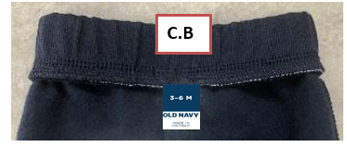
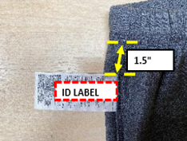
 |  |  |  |  |  |  | * Test sample | ALL CLR | ANY | 6pcs/color | 10/25/21
BODY | RD# 270474 Saturday Slub French Terry: Cotton/Poly 52/48 230gsm A/W 66/68" |  |  |  |  |  | * Remarks | TOP samples must attach USA price ticket. TOP samples must same as Brand PO packing way.
CREME NAVY STRIPE - SPR22BGST004A CC 21 | 0.317YDS/PC | BODY : 0.308 * SEWING LOSS 3%

 |  |  |  |  |  |  | 1. All fabric Test were done in HQ Will send APP fabric test reports via email before PPM 2. All garment test Need to proceed in Fty Side [GMT TEST REPORT TARGET DUE : 1.5~2 WEEKS BEFORE 1ST EX-FTY DATE ]

PLEASE SEE THE FABRIC CONSUMPTION CHART

Sewing Instruction in Solid
** SOLID BODY - SEWING INSTRUCTION IN ENGLISH **
1. Construction w/ sketch | 3. Body & Trim matching by Color

***Please follow approved PP sample for body construction ***
SPI 12-13
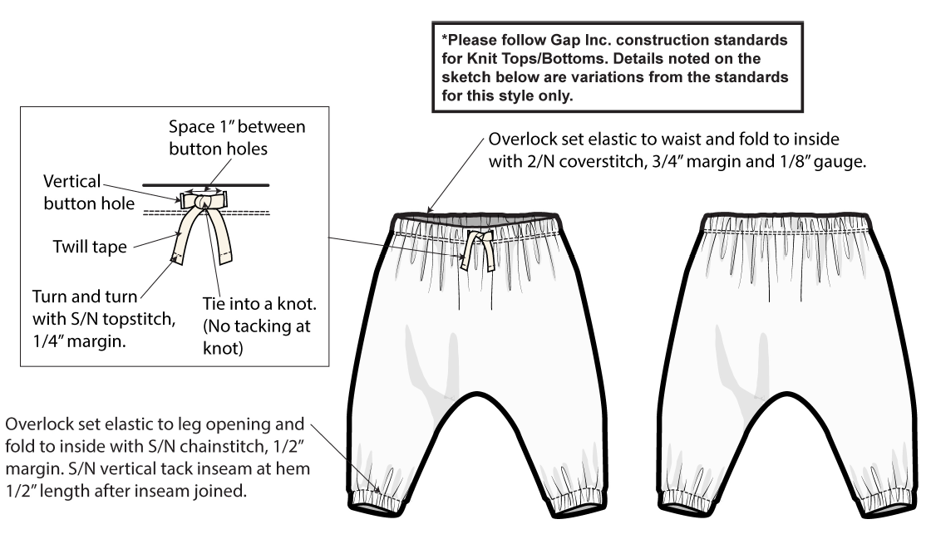 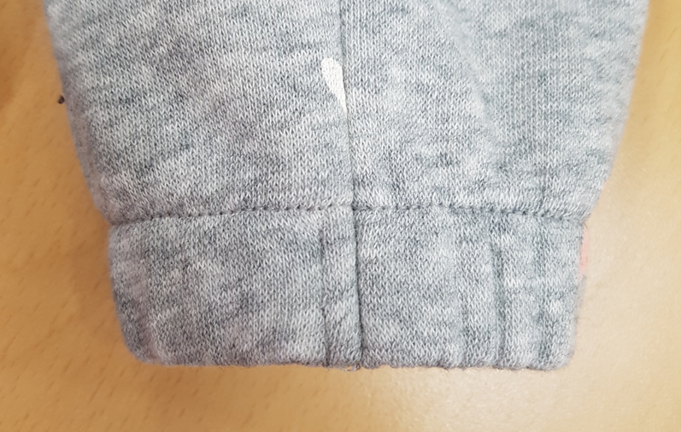 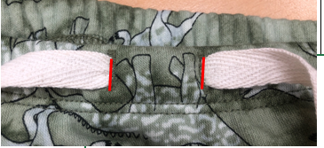 | STYLE# | PO CC NAME | BODY | IMAGE | THREAD | INTERLINING-TRICOT @ BUTTON HOLE | BAND-COMEZ ELASTIC 5/8" @ BOTTOM HEM | BAND-COMEZ ELASTIC 7/8" @ WB | TAPE-TWILL
 | 804293 | STRAWBERRY | PINK STRAWBERRY SPR22BLPT010A CC 01 |  | DTM GROUND (PINK PIROUETTE) | WHITE | WHITE | WHITE | NATURAL
 |  | ALLIGATOR | GREEN ALLIGATOR - SPR22TNBPT071C CC 06 |  | DTM GROUND (CLARITY)
 |  | NAVY STRIPE | CREME NAVY STRIPE - SPR22BGST004A CC 21 |  | DTM GROUND (CRÈME DE LA CRMEME)
 | CARE CONSTRUCTION 52%COTTON 48%POLYESTER EXCLUSIVE OF DECORATION MACHINE WASH COLD GENTLE CYCLE /ONLY NON-CHLORINE BLEACH WHEN NEEDED /TUMBLE DRY LOW/ COOL IRON / DO NOT DRY CLEAN
BTTM : BOTTOM EDGE
1/2" TACKING
BACK
FRT
VERTICAL TACK AT BUTTON HOLE TO FIX D/C PERMANENTLY ON GARMNET
 | 4. Watch out!!
 | 1. Cutting |  | EXCEPT NAVY STRIPE : 2 WAY RANDOM CUT (1PC 1 WAY) NAVY STRIPE : SIDE SEAM MATCHING ONLY

 |  |  | All of bulk lots should be grouped with similar color shading and ensured them against.
 |  |  | Pls inform if there is any problems on fabric before cutting.
 |  |  | Pls check fabric data before cutting.
 |  |  | Pls cfm the Factory YY before cutting.
 |  |  | Pls check the spec before line starting.
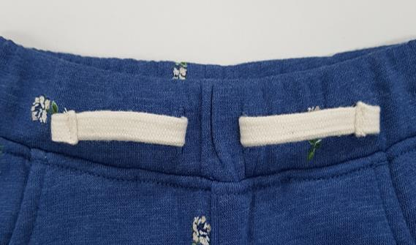
String : Double turnback inward with
SN TACKING
 |  |  | Pls send fabric inspection report after fabric arrived.
 |  |  | Elasic need to be relaxed for 48 hours

 | 2. Sewing |  | Turn and turn tie ends with s/n topstitch, 1/4" margin.
 |  |  | Space 1'' between button holes.
 |  |  | Tie into a knot ( No tacking at knot )
 |  |  | Overlock set elastic to waist and fold to inside with 2/N coverstitch, 3/4'' margin and 1/8'' gauge.
 |  |  | Overlock set elastic to leg opening and fold to inside with SN chainstitch, 1/2" margin.

FINAL SPEC
 | 3. Finshing |  | All the chalk marks s/b removed before packing.
 |  |  | Follow the approved packing condition.
 |  |  | All of attached/uncut thread outside of garment are considered major defect.


 | 4. Packing |  | 1. US BRAND : HANGER, NO SENSOR TAG 2. OL: ONLINE PACKING, NO SENSOR/ NO HANGER
 |  |  | 2. FRANCHISE: NO SENSOR, NO HANGER / **AISA RI: ONLINE PACKING INDIVIDUAL POLYBAG W/ LPN STICKER WITHOUT HANGER / NO SENSOR TAG
 | 5. Shipping |  | APPLY CARTON SAFETY REGULATION 규정 준수
 | 5. Safety
 | 1. THREAD REGULATION
 | : ALL PRODUCTIONS SHOULD BE TESTED BY THREAD SEARCH MACHINE
 | 2. NEEDLE REGULATION
 | : Vendors producing Kids & Baby, intimate apparel, and Japan orders are required to follow specific procedures during production to:
 | 1) Control/track needles and other foreign metal contaminants.
 | 2) Use approved needle detection machines
 | 3) Maintain metal-free detection and packing zones
 | 3. FAUX TIE : 3" max from tacked pint

 |  |  |  |  |  |  |  |  |  | 3/22 OK

Folding method
"
8"
12"
**FOLDING METHOD **
BRAND PACKING FOR US/CDA/FRANCHISE (EXCEPT ASIA RI) |  | ONLINE PACKING FOR USOL/CDAOL/ ASIA RI
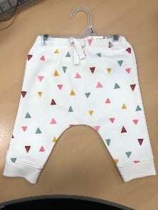 | 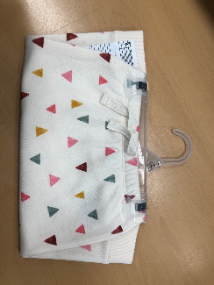 | 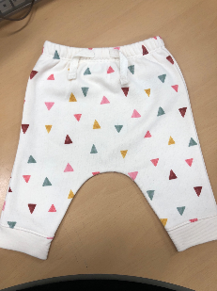 | 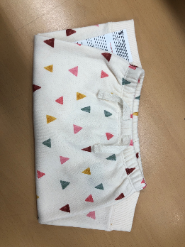
* HANGER PACK FOR RETAIL: PLS FOLLOW THE POLY BAG SIZE AS PER THE FACTORY SUGGESTION |  | * ONLINE POLY BAG : 8" X 12"
CARE & T LABEL ATTACHMENT FOR ALL MARK | MAIN LABEL FOR ALL MARKET | PRICE TICKET PLACEMENT FOR ALL MARKETS
"
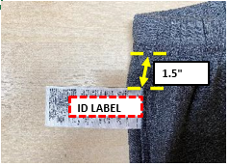 |  | 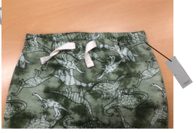 | NO SENSOR TAG
* CARE LABEL attach at wearer’s left side seam , 1.5" down from WB seam * T LABEL (ID LABEL) : SEWN AT CENTER & BEHIND OF CARE LABEL | *MAIN LABEL Inserted at CB waist band seam. | * PRICE TICKET WITH RETAIL PRICE FOR US, CAN (show barcode) ** PRICE TICKET WITHOUT RETAIL PRICE FOR USOL, CANOL Ticket attached on wearers left at waist seam with 3" tag pin
 |  | Franchise Fall 2021 New Packing Guidelines
 |  | 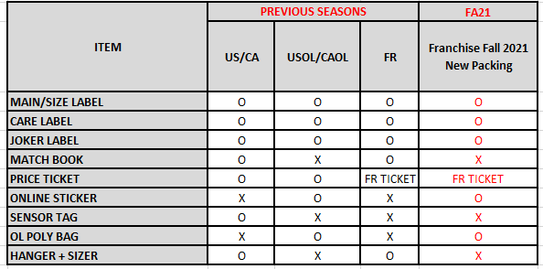 **FR 중에 ASIA RI, 즉 숫자 PO는 online 과 동일하게 hanger 없이 패킹 진행 **AISA RI PO S/B PACK SAME AS ONLINE WITHOUT HANGER

